Source
Tim Wright
E-Mail: | twright@icloud.com
LinkedIn | https://www.linkedin.com/in/timwrighthr

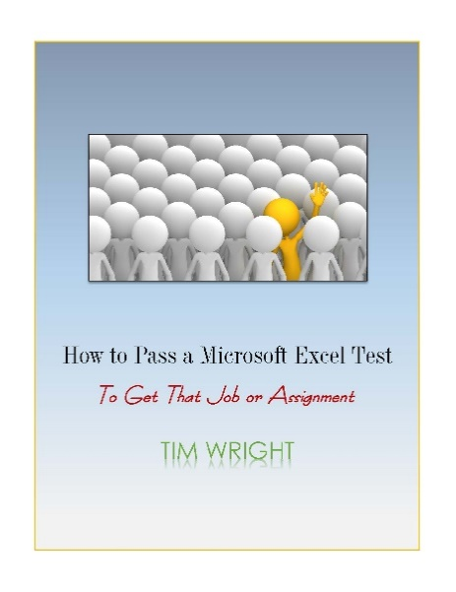
Check out new book!!!

How to Pass A Microsoft Excel Test - By Tim Wright
Basic-to-Intermediate Excel Guide

Publisher: | https://www.createspace.com/6607014
Amazon: | http://mobile-train.com/passtest/

